Sheet1
 |  |  |  | Validation

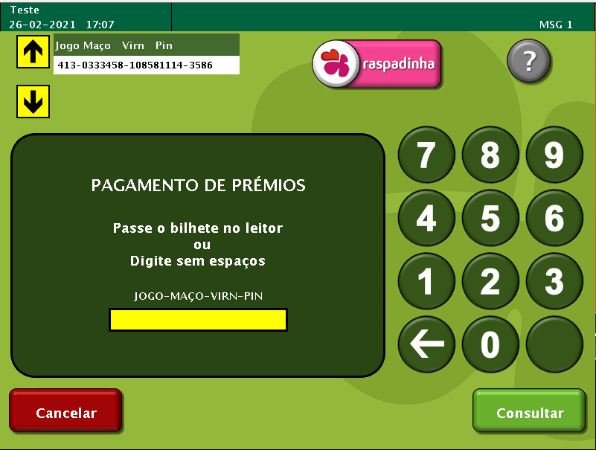
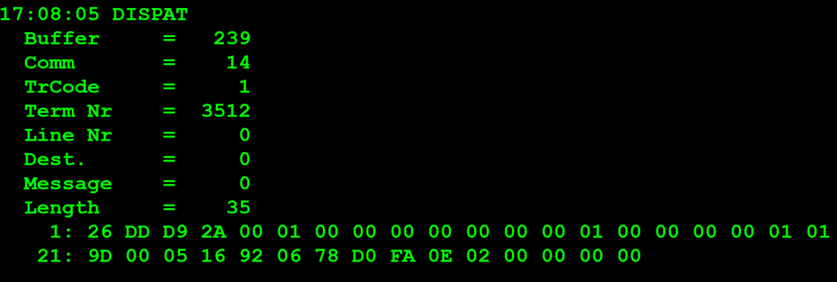
TestByte |  | Size | Field Contents
Start | End
1 | 1 | 1 | Control | Sequence | 20 | Control=0010 Sequence=0000 | 2 0 | Control -> x10 - Application Message Sequence -> 0
2 | 2 | 1 | Type = 13 | Subtype = 13 | DD | Type=1101 Subtype=1101 | Type=13 Subtype=13 | Type = 13 Subtype = 13
3 | 4 | 2 | Checksum |  | .. | .. | .. | ..
5 | 5 | 1 | Statistics[1] |  | 00
6 | 7 | 2 | Option Flags |  | 01 00 |  |  | 01 00 =Bank Validation mode (1 byte)
8 | 8+n-1 | n | Option Data[2] |  | 00 |  |  | 0x00 = New bank validation request
8+n | 8+n | 1 | Batch Flag (see below) |  | 00 |  |  | x00 = Not Batched
9+n | 12+n | 4 | Retailer number, who gets the credit For non-privileged terminals this field should be set to 0. |  | 00 00 00 00 |  | 0 | non-privileged terminal = 0
13+n | 13+n | 1 | Validation Mode ( 0 = Pay, 1 = Inquire with no updates ) |  | 01 |  | 1 | 1 = Inquire with no updates
14+n | 17+n | 4 | Envelope Identification Number (generated by the terminal) For non-privileged terminal this field should be set to 0. |  | 00 00 00 00 |  | 0 | non-privileged terminal = 0
18+n | 18+n | 1 | Number of Tickets in Batch |  | 01 |  | 1 | 1 ticket validation
19+n | 20+n | 2 | Game Number (000-999) |  | 01 9D |  | 413
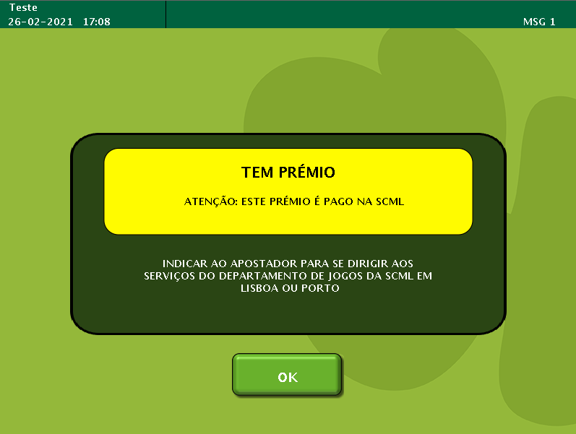
21+n | 24+n | 4 | Pack Number |  | 00 05 16 92 |  | 333458
25+n | 28+n | 4 | VIRN Number (9 digits) |  | 06 78 D0 FA |  | 108581114
29+n | 30+n | 2 | Latex Number |  | 0E 02 |  | 3586
31+n | 34+n | 4 | Amount in cents |  | 00 00 00 00 |  | 0

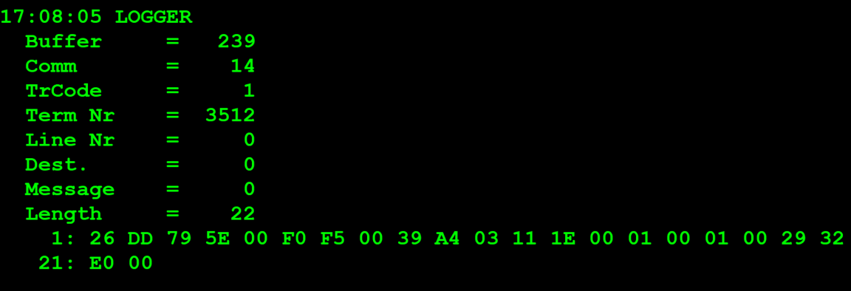
TestByte |  | Size | Field Contents
Start | End
1 | 1 | 1 | Control | Sequence | 20 | Control=0010 Sequence=0000 | 2 0 | Control -> x10 - Application Message Sequence -> 0
2 | 2 | 1 | Type = 13 | Subtype = 13 | DD | Type=1101 Subtype=1101 | Type=13 Subtype=13 | Type = 13 Subtype = 13
3 | 4 | 2 | Checksum |  | .. | .. | .. | ..
5 | 7 | 3 | Time Stamp (seconds since midnight) |  | 00 F0 F5 |  | 61685 | 17:08:05.
8 | 9 | 2 | Julian Date (3 digits, unsigned) |  | 00 39 |  | 57 | 57=31+26
10 | 12 | 3 | External Serial Number (8 digits, unsigned) |  | A4 03 11
13 | 13 | 1 | Check digit |  | 1E
14 | 14 | 1 | Result Code 1 (see below) |  | 00 |  | 1 | 00 = No error (number of tickets in the batch in Result Code 2)
15 | 15 | 1 | Result Code 2 (see below) |  | 01 |  | 1 | 1 TICKET
16 | 16 | 1 | Option Flags |  | 00 |  | 0 | 00 = Normal validation (Cash Prize)
17 | 17+n | n | Option Data (see below) |  | N | N | N | N

 | TestByte |  | Size | Field Contents
 | Start | End
 | 1 | 1 | 1 | Ticket Result Code | 01 |  | 1
 | 2 | 5 | 4 | Prize Amount of Validated Ticket (In cents) | 00 29 32 E0 |  | 2700000 | 2700000 cent = 27.000 euros
 | 6 | 6 | 1 | Pack status for the privileged terminal: | 00 |  | 0 | 0 – OK
 |  |  |  | Value:
 |  |  |  | 0 – OK
 |  |  |  | 1 – Missing
 |  |  |  | 2 - Stolen

 |  |  |  | Payment

TestByte |  | Size | Field Contents
Start | End
1 | 1 | 1 | Control | Sequence
2 | 2 | 1 | Type = 13 | Subtype = 13
3 | 4 | 2 | Checksum
5 | 5 | 1 | Statistics[1]
6 | 7 | 2 | Option Flags
8 | 8+n-1 | n | Option Data[2]
8+n | 8+n | 1 | Batch Flag (see below)
9+n | 12+n | 4 | Retailer number, who gets the credit For non-privileged terminals this field should be set to 0.
13+n | 13+n | 1 | Validation Mode ( 0 = Pay, 1 = Inquire with no updates )
14+n | 17+n | 4 | Envelope Identification Number (generated by the terminal) For non-privileged terminal this field should be set to 0.
18+n | 18+n | 1 | Number of Tickets in Batch
19+n | 20+n | 2 | Game Number (000-999)
21+n | 24+n | 4 | Pack Number
25+n | 28+n | 4 | VIRN Number (9 digits)
29+n | 30+n | 2 | Latex Number
31+n | 34+n | 4 | Amount in cents

TestByte |  | Size | Field Contents
Start | End
1 | 1 | 1 | Control | Sequence
2 | 2 | 1 | Type = 13 | Subtype = 13
3 | 4 | 2 | Checksum
5 | 7 | 3 | Time Stamp (seconds since midnight)
8 | 9 | 2 | Julian Date (3 digits, unsigned)
10 | 12 | 3 | External Serial Number (8 digits, unsigned)
13 | 13 | 1 | Check digit
14 | 14 | 1 | Result Code 1 (see below)
15 | 15 | 1 | Result Code 2 (see below)
16 | 16 | 1 | Option Flags
17 | 17+n | n | Option Data (see below)

 | TestByte |  | Size | Field Contents
 | Start | End
 | 1 | 1 | 1 | Ticket Result Code
 | 2 | 5 | 4 | Prize Amount of Validated Ticket (In cents)
 | 6 | 6 | 1 | Pack status for the privileged terminal:
 |  |  |  | Value:
 |  |  |  | 0 – OK
 |  |  |  | 1 – Missing
 |  |  |  | 2 - Stolen

